ID_LEGEND
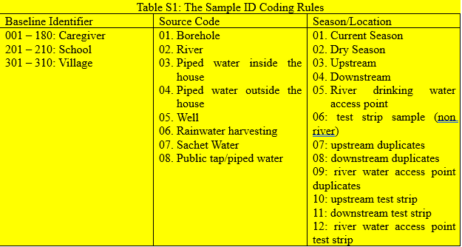
All sample IDs follow a standardized format: BaselineIdentifier_SOURCE_Season/Location. The BaselineIdentifier corresponds to the unique ID assigned during the baseline survey—Caregiver ID for household samples, School ID for school samples, and Village ID for community samples. If the full baseline ID is excessively long, a shortened version will be used. The SOURCE indicates the type of water source (e.g., borehole, sachet water), and Season/Location reflects either seasonal use (e.g., dry season) or the specific river sampling location (e.g., upstream, downstream).

Note that certain sample ID combinations are restricted. For example, sachet water is not sampled from households; therefore, the sachet source code must not be used with a Caregiver ID. Similarly, upstream and downstream location codes are not applicable to non-river water sources. These restrictions must be observed to maintain data integrity and consistency.

WHO Limit
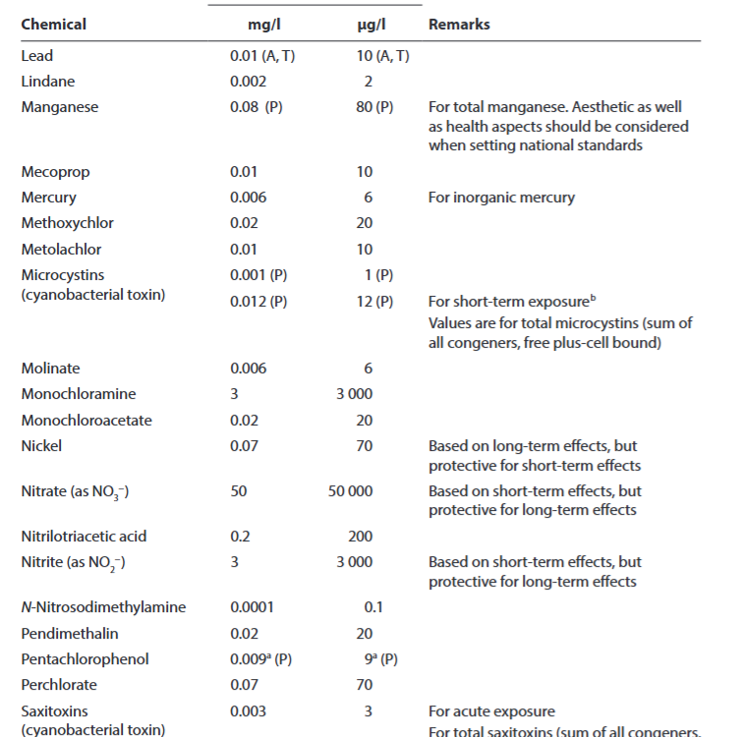
Link: Table A3.2: https://iris.who.int/server/api/core/bitstreams/69c17edd-ee26-425b-9d34-33799377e886/content#page=357.14

EPA Enforceable Limit
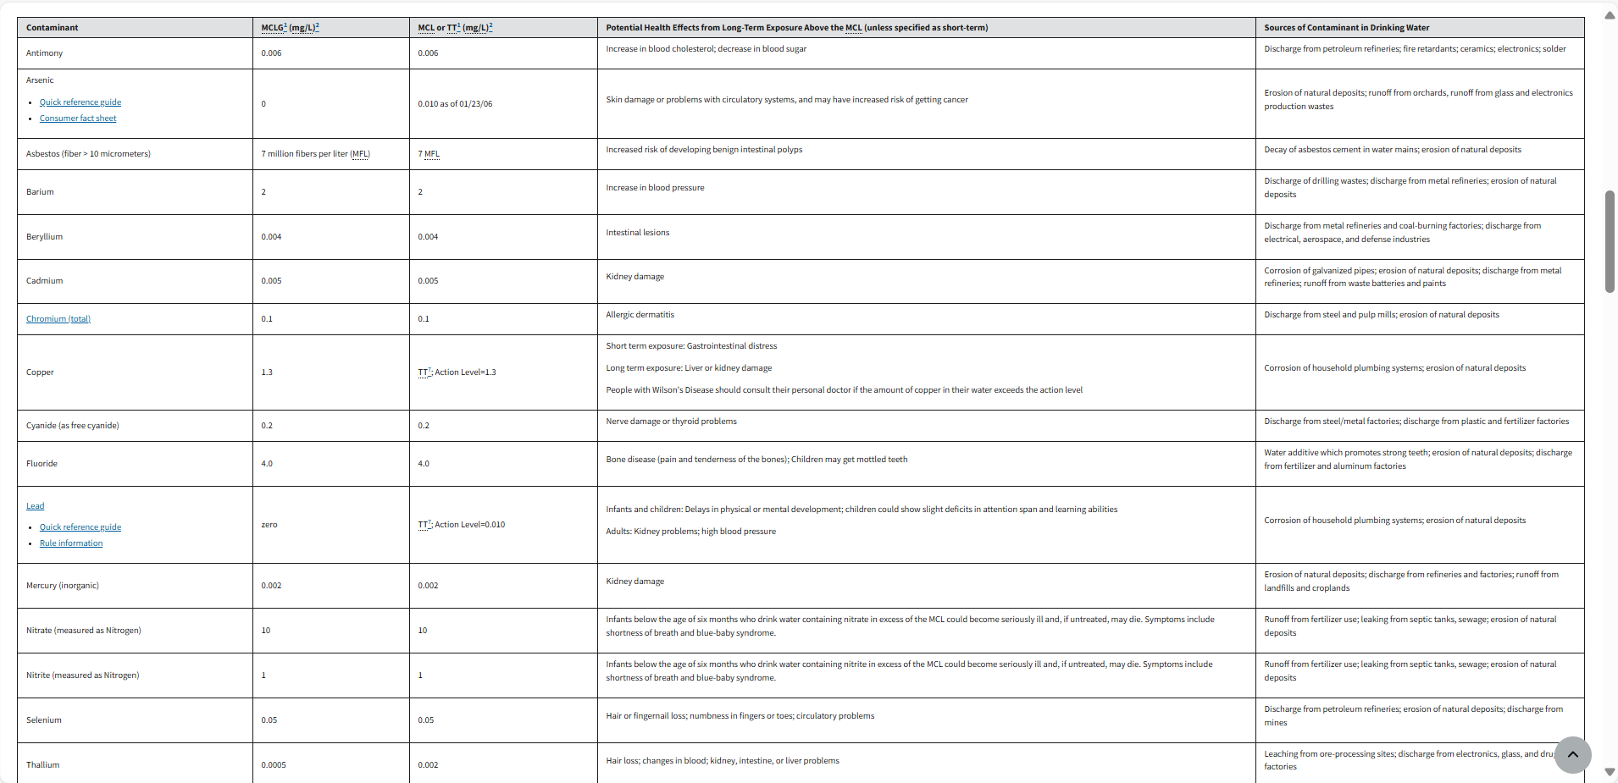

link: https://www.epa.gov/ground-water-and-drinking-water/national-primary-drinking-water-regulations

EPA Secondary Limit
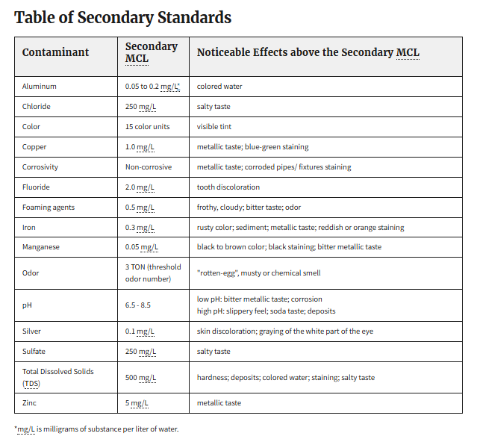

link: https://www.epa.gov/sdwa/secondary-drinking-water-standards-guidance-nuisance-chemicals

